Dissassembly
PT SAPTAINDRA SEJATI
PLANT REBUILD CENTER

DISASSEMBLY CHECK SHEET |  |  |  |  |  | WO NUMBER |  |  |  |  |  | DOCUMENT NO
HOIST CYLINDER |  |  |  |  |  | COMP.MODEL |  |  |  |  |  | PUBLIC DATE
 |  |  |  |  |  | COMP.S/N |  |  |  |  |  | REVISION NO
HD785-7 |  |  |  |  |  | UNIT MODEL |  |  |  |  |  | PAGE

PROCESS |  | START |  |  |  |  |  | DISASSEMBLY BY
 |  | FINISH

NO | PART TO REMOVE OR INSPECT |  | CONDITION TOBE INSPECTED |  |  |  |  | REUSE | SALVAGE | REPAIR | SKETCH DRAWING OR PHOTHOES

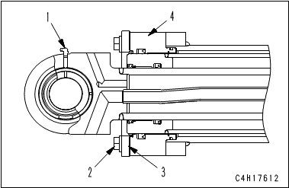
1 | Hoist Cylinder Assembly
 |  |  |  |  | IMPORTANT
 |  |  |  | Take care not to damage the rod packing, dust seal, piston ring, wear ring, etc.

 |  |  | • | Remove grease fitting (1).

 |  |  | • | Remove mounting bolt (2) of cylinder head assembly.
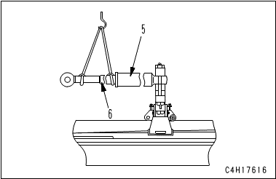
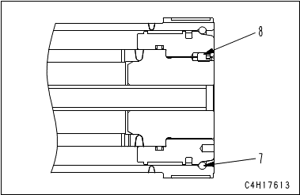
 |  |  | • | Remove plate (3) and cylinder head assembly (4).

 |  |  | • | Pull out cylinder II and rod assembly (6) from cylinder I (5).
 |  |  |  | (Check cylinder I for damage, crack, scratch, and wear)

 |  |  | • | Remove snap ring (7).

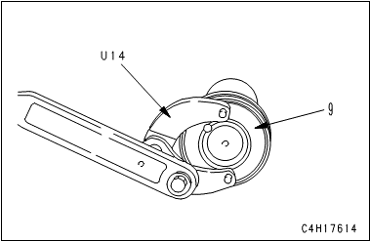
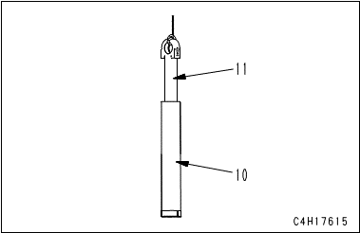
 |  |  | • | Remove lock screw (8) of the piston assembly.

 |  |  | • | Remove piston assembly (9).

 |  |  | • | Sling rod (11), and remove it from cylinder II (10).
 |  |  |  | (Check rod for damage, scratch, and wear)

 |  |  |  | Put a container under the cylinder to receive the oil.

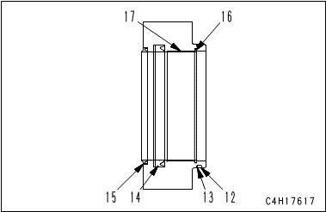
2 | Head Assembly
 |  |  | • | Remove O-ring (12) and backup ring (13).

 |  |  | • | Remove rod packing (14).

 |  |  | • | Remove dust seal (15).

 |  |  | • | Remove snap ring (16).

 |  |  | • | Remove bushing (17).
 |  |  |  | (Check rod for damage, scratch, and wear)

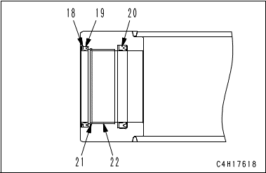
3 | Cylinder II
 |  |  | • | Remove snap ring (18).

 |  |  | • | Remove dust seal (19).

 |  |  | • | Remove rod packing (20).

 |  |  | • | Remove snap ring (21).

 |  |  | • | Remove bushing (22).
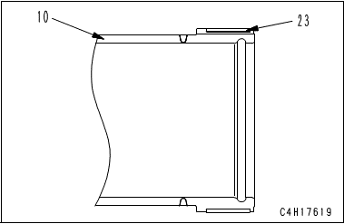
 |  |  | • | Remove wear ring (23) from cylinder II (10).
 |  |  |  | (Check Cylinder II for damage, scratch, and wear)

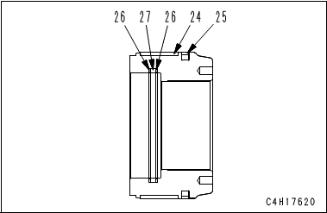
4 | Piston Assembly
 |  |  | • | Remove wear ring (24).

 |  |  | • | Remove piston ring (25).

 |  |  | • | Remove backup ring (26) and O-ring (27).
 |  |  |  | (Check Piston Assembly for damage, scratch, and wear)

NOTE:

 | DISSASSEMBLY BY |  |  |  |  |  | INSPECTED BY |  |  |  |  |  | APPROVED BY

 | MECHANIC |  |  |  |  |  | QA(QUALITY ASSURANCE) |  |  |  |  |  | GL/SPV PRODUCTION

Assembly
PT SAPTAINDRA SEJATI
PLANT REBUILD CENTER

ASSEMBLY CHECK SHEET |  |  |  |  |  |  | WO NUMBER |  |  |  |  |  |  |  | DOCUMENT NO
HOIST CYLINDER |  |  |  |  |  |  | COMP.MODEL |  |  |  |  |  |  |  | PUBLIC DATE
 |  |  |  |  |  |  | COMP.S/N |  |  |  |  |  |  |  | REVISION NO
HD785-7 |  |  |  |  |  |  | UNIT MODEL |  |  |  |  |  |  |  | PAGE

PROCESS |  |  | START |  |  |  |  |  |  |  |  | ASSEMBLY BY
 |  |  | FINISH

NO | PART TO INSTALL OR FIT |  |  | CONDITION TOBE ASSAMBLY |  |  |  |  |  |  | SPECIFICATION | SIGNATURE |  | SKETCH DRAWING OR PHOTHOES
 |  |  |  |  |  |  |  |  |  |  |  | MECH | GL/QA
1 | Piston Assembly
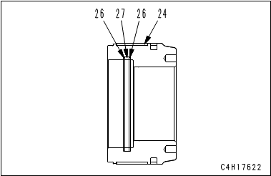
 |  |  |  |  |  | IMPORTANT
 |  |  |  |  | Clean all the parts and check them for dirt or damage. Coat their sliding surfaces with engine oil before installing.

 |  |  |  | • | Install piston ring (25) to piston (9).

 |  |  |  | • | Install wear ring (24).

 |  |  |  | • | Install backup ring (26) and O-ring (27).

 |  |  |  |  | Be careful not to damage the packings, dust seals, and O-ring when assembling.

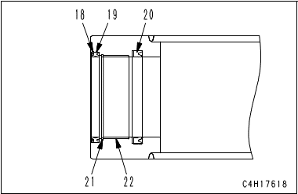
2 | Cylinder II
 |  |  |  | • | Press fit bushing (22). |  |  |  |  |  | Press fit

 |  |  |  | • | Install snap ring (21).

 |  |  |  | • | Install rod packing (20).

 |  |  |  | • | Install dust seal (19) and snap ring (18).

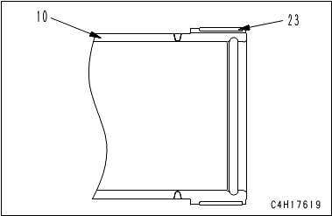
 |  |  |  | • | Install wear ring (23) to cylinder II (10).

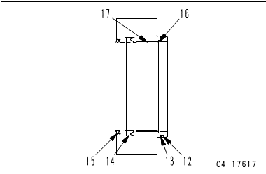
3 | Head Assembly
 |  |  |  | • | Press fit bushing (17). |  |  |  |  |  | Press fit

 |  |  |  | • | Install snap ring (16).

 |  |  |  | • | Install dust seal (15).

 |  |  |  | • | Install rod packing (14).

 |  |  |  | • | Install backup ring (13) and O-ring (12).

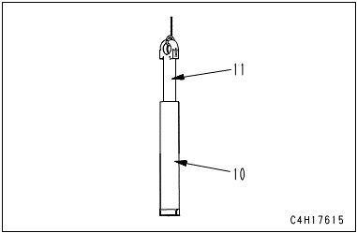
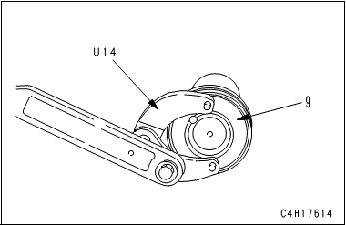
4 | Hoist Cylinder Assembly
 |  |  |  | • | Sling rod (11), and install it to cylinder II (10).

 |  |  |  |  |  | IMPORTANT
 |  |  |  |  | Be careful that dust seal portion of cylinder II (10) does not interfere with either of rod head or weld portion of rod head.

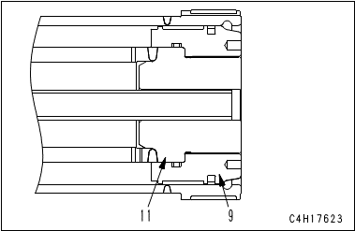
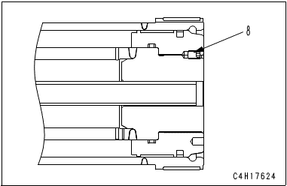

 |  |  |  | • | Install piston assembly (9) to rod (11).

 |  |  |  |  | Inserting stopper of 24 mm thickness between rod head and cylinder II can prevent cylinder II from interference with rod head.

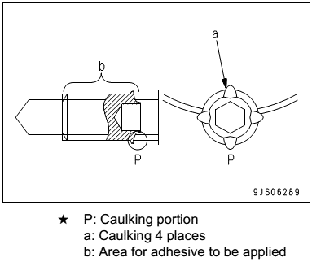
 |  |  |  | • | Screw in piston assembly (9), and tighten piston assembly (9) until the screw holes are aligned.

 |  |  |  | • | Tighten screw (8).
 |  |  |  |  |  | Internal thread of screw :
 |  |  |  |  |  |  | Adhesive (LOCTITE No. 262)
 |  |  |  |  |  | Mounting Screw : |  | Act: |  | Kgm | 6.0 – 7.5 kgm

 |  |  |  | • | Caulk thread places (a) (4 places) of screw (8) at any place on the circumference with punch.

 |  |  |  |  | After tightening, caulk it until the returning torque becomes 41.2 to 88.2 Nm {4.2 to 9 kgm}.

 |  |  |  | • | Install snap ring (7).
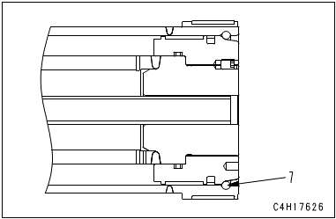

 |  |  |  | • | Install cylinder II and rod assembly (6) to cylinder I (5).

 |  |  |  | • | Install cylinder head assembly (4) and plate (3)
 |  |  |  |  | with mounting bolt (2).
 |  |  |  |  |  | Mounting Screw : |  | Act: |  | Kgm | 54 ± 8.0 kgm

 |  |  |  | • | Install grease fitting (1).

 |  |  |  |  |  |  |  |  |  |  |  |  |  | 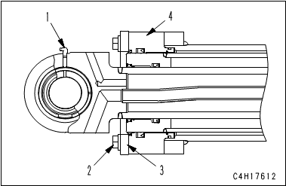

 | ASSEMBLY BY |  |  |  |  |  |  |  | INSPECTED BY |  |  |  |  |  |  | APPROVED BY

 |  | MECHANIC |  |  |  |  |  |  | QA(QUALITY ASSURANCE) |  |  |  |  |  |  | GL/SPV PRODUCTION

Measuring
PT SAPTAINDRA SEJATI
PLANT REBUILD CENTER

MEASUREMENT CHECK SHEET |  |  |  |  |  | WO NUMBER |  |  |  |  |  |  | DOCUMENT NO
HOIST CYLINDER |  |  |  |  |  | COMP.MODEL |  |  |  |  |  |  | PUBLIC DATE
 |  |  |  |  |  | COMP.S/N |  |  |  |  |  |  | REVISION NO
HD785-7 |  |  |  |  |  | UNIT MODEL |  |  |  |  |  |  | PAGE

PROCESS |  |  | START |  |  |  |  |  | MEASUREMENT BY
 |  |  | FINISH

NO | PART TO MEASURING OR INSPECT |  |  | STANDARD VALUE TABLE

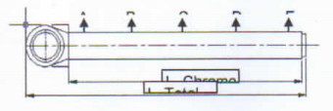
1 | Rod

 |  |  |  |  | Rod Cylinder
 |  |  |  |  | Items Check |  | Unit | Gauge No. |  | Standard |  |  |  | Actual Data |  |  |  |  |  | Result
 |  |  |  |  |  |  |  |  |  | Nominal | Min | Max |  | A | B |  | C | D | E
 |  |  |  |  | Out Diameter | x-x' | mm |  |  | Ø130 (f7) | - 0.04 | - 0.08
 |  |  |  |  |  | y-y' | mm
 |  |  |  |  | Chrome Thickness |  | µm |  |  |  | 30 | 250
 |  |  |  |  | Chrome Hardness |  | Hrc |  |  |  | 50 | 65
 |  |  |  |  | Round Out |  | mm |  |  |  | Max 0.5
 |  |  |  |  | Bending |  | mm/M
 |  |  |  |  | Roughness |  | µm |  |  |  | Max 0.2
 |  |  |  |  | L. Rod |  | mm
 |  |  |  |  | L. Chrome |  | mm
 |  |  |  |  | L. Center |  | mm
 |  |  |  |  | L. Total |  | mm
 |  |  |  |  | Visual |  | No Scratch, No Pinhole
 |  |  |  |  | Recommendation
 |  |  |  |  | Note : Result = Good/No Good

2 | Cylinder

 |  |  |  |  | Tube Cylinder
 |  |  |  |  | Items Check |  | Unit | Gauge No. |  | Standard |  |  |  | Actual Data |  |  |  |  |  | Result
 |  |  |  |  |  |  |  |  |  | Nominal | Min | Max |  | A | B |  | C | D | E
 |  |  |  |  | Inside Diameter | x-x' | mm |  |  | Ø215 (H10) | 0.00 | 0.19
 |  |  |  |  |  | y-y' | mm
 |  |  |  |  | Roughness |  | µm |  |  |  | Max 0.3
 |  |  |  |  | OD Tube |  | mm
 |  |  |  |  | L. Tube |  | mm
 |  |  |  |  | L. ID Tube |  | mm
 |  |  |  |  | L. Center |  | mm
 |  |  |  |  | L. Total |  | mm
 |  |  |  |  | Visual |  | No Scratch, No Pinhole
 |  |  |  |  | Recommendation
 |  |  |  |  | Note : Result = Good/No Good

3 | Middle Hoist

 |  |  |  |  | Middle Cylinder (Outside)
 |  |  |  |  | Items Check |  | Unit | Gauge No. |  | Standard |  |  |  | Actual Data |  |  |  |  |  | Result
 |  |  |  |  |  |  |  |  |  | Nominal | Min | Max |  | A | B |  | C | D | E
 |  |  |  |  | Out Diameter | x-x' | mm |  |  | Ø200 (f7) | - 0.05 | - 0.10
 |  |  |  |  |  | y-y' | mm
 |  |  |  |  | Chrome Thickness |  | µm |  |  |  | 30 | 250
 |  |  |  |  | Chrome Hardness |  | Hrc |  |  |  | 50 | 65
 |  |  |  |  | Round Out |  | mm |  |  |  | Max 0.5
 |  |  |  |  | Bending |  | mm/M
 |  |  |  |  | Roughness |  | µm |  |  |  | Max 0.2
 |  |  |  |  | L. Chrome |  | mm
 |  |  |  |  | L. Total |  | mm
 |  |  |  |  | Visual |  | No Scratch, No Pinhole
 |  |  |  |  | Recommendation
 |  |  |  |  | Note : Result = Good/No Good

 |  |  |  |  | Middle Cylinder (Intside)
 |  |  |  |  | Items Check |  | Unit | Gauge No. |  | Standard |  |  |  | Actual Data |  |  |  |  |  | Result
 |  |  |  |  |  |  |  |  |  | Nominal | Min | Max |  | A | B |  | C | D | E
 |  |  |  |  | Inside Diameter | x-x' | mm |  |  | Ø180 (H10) | - 0.00 | - 0.16
 |  |  |  |  |  | y-y' | mm
 |  |  |  |  | Roughness |  | µm |  |  |  | Max 0.3
 |  |  |  |  | L. ID Middle |  | mm
 |  |  |  |  | L. Chrome |  | mm
 |  |  |  |  | L. Total |  | mm
 |  |  |  |  | Visual |  | No Scratch, No Pinhole
 |  |  |  |  | Recommendation
 |  |  |  |  | Note : Result = Good/No Good

 | NOTE

 |  | MECHANIC |  |  |  |  |  | QA(QUALITY ASSURANCE) |  |  |  |  |  |  |  | GROUP LEADER (GL)

